CREATE TABLE librariansxassignm
 |  | Question | Your Query | Screenshot

Part IB |  | Write SQL statements to create a new database and tables with filled data. | CREATE TABLE librarians ( librarian_id INT(3) PRIMARY KEY NOT NULL AUTO_INCREMENT, librarian_fname VARCHAR(50), librarian_surname VARCHAR(50) ); | 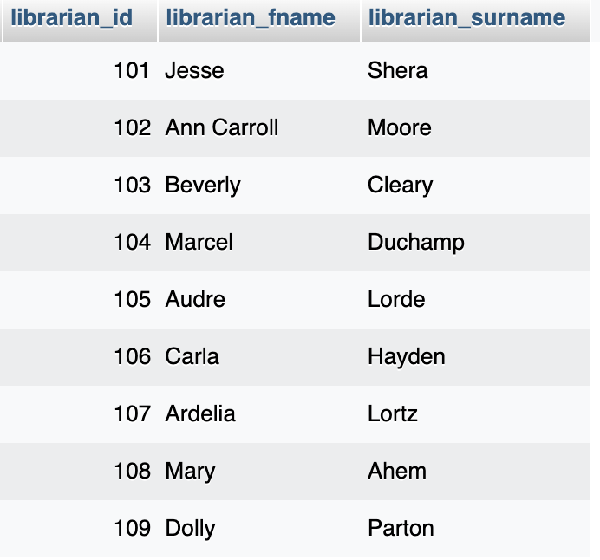
 |  |  | ALTER TABLE librarians AUTO_INCREMENT=101;
 |  |  | INSERT INTO librarians (librarian_fname, librarian_surname) VALUES ("Jesse", "Shera"),("Ann Carroll", "Moore"),("Beverly", "Cleary"),("Marcel", "Duchamp"),("Audre", "Lorde"),("Carla","Hayden"),("Ardelia", "Lortz"),("Mary", "Ahem"),("Dolly","Parton");

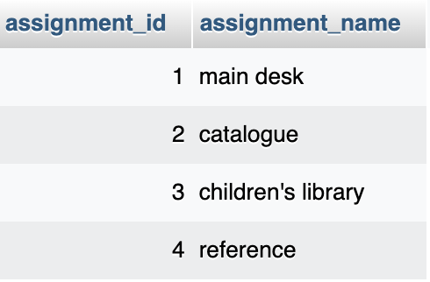
 |  |  | CREATE TABLE assignments ( assignment_id INT(3) PRIMARY KEY NOT NULL AUTO_INCREMENT, assignment_name VARCHAR(50));
 |  |  | INSERT INTO assignments (assignment_name) VALUES ("main desk"), ("catalogue"),("children's library"),("reference");
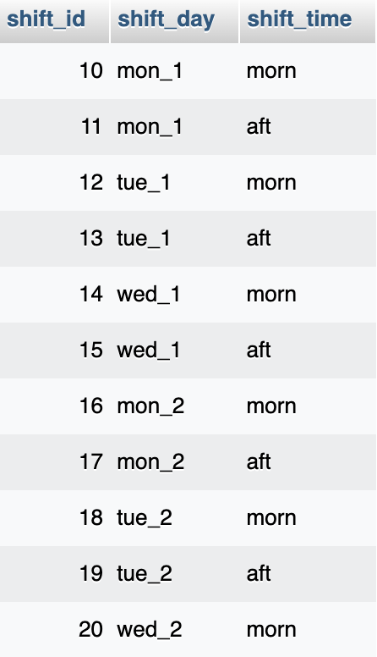
 |  |  | CREATE TABLE shifts ( shift_id INT(3) PRIMARY KEY NOT NULL AUTO_INCREMENT, shift_day VARCHAR(50), shift_time VARCHAR(50) );
 |  |  | ALTER TABLE shifts AUTO_INCREMENT=10;
 |  |  | INSERT INTO shifts (shift_day, shift_time) VALUES ("mon_1", "morn"),("mon_1", "aft"),("tue_1", "morn"),("tue_1", "aft"),("wed_1", "morn"),("wed_1","aft"),("mon_2", "morn"),("mon_2", "aft"),("tue_2","morn"),("tue_2","aft"),("wed_2","morn");

 |  |  | CREATE TABLE librariansxassignmentsxshifts ( assign_id INT(4) PRIMARY KEY AUTO_INCREMENT, librarian INT(3), assignment INT(3), shift INT(3), FOREIGN KEY (librarian) REFERENCES librarians(librarian_id), FOREIGN KEY (assignment) REFERENCES assignments(assignment_id), FOREIGN KEY (shift) REFERENCES shifts(shift_id) ON DELETE CASCADE ); | 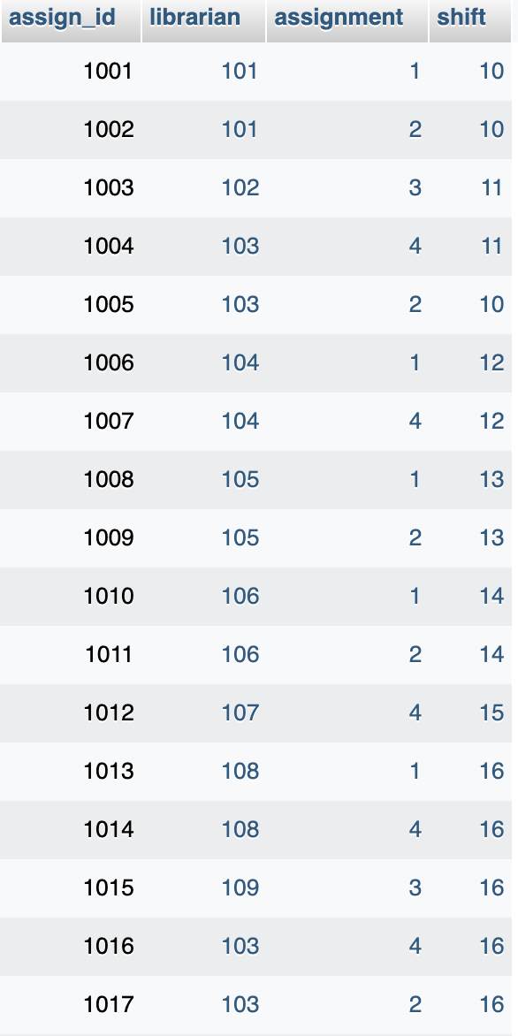
 |  |  | ALTER TABLE librariansxassignmentsxshifts AUTO_INCREMENT=1001;
 |  |  | INSERT INTO librariansxassignmentsxshifts (librarian, assignment, shift) VALUES (101,1,10),(101,2,10),(102,3,11),(103,4,11),(103,2,10),(104,1,12),(104,4,12),(105,1,13),(105,2,13),(106,1,14),(106,2,14),(107,4,15),(108,1,16),(108,4,16),(109,3,16),(103,4,16),(103,2,16),(104,1,17),(104,3,17),(106,1,18),(106,2,18),(105,1,19),(105,1,19); | 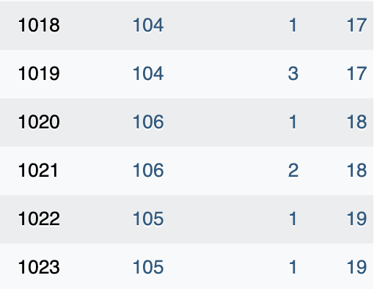
Part II | Query I | What are the names and shifts of the librarians working on Mondays? | SELECT librarian_fname, librarian_surname, shift_time FROM librarians JOIN librariansxassignmentsxshifts ON librarians.librarian_id = librariansxassignmentsxshifts.librarian JOIN shifts ON shifts.shift_id = librariansxassignmentsxshifts.shift WHERE librariansxassignmentsxshifts.shift = 10 OR librariansxassignmentsxshifts.shift = 11 OR librariansxassignmentsxshifts.shift = 16 OR librariansxassignmentsxshifts.shift = 17;
Part II | Query II | What is Beverly Cleary’s assignment for the day? | SELECT librarian_fname, librarian_surname, assignment_name FROM librarians JOIN librariansxassignmentsxshifts ON librarians.librarian_id = librariansxassignmentsxshifts.librarian JOIN assignments ON assignments.assignment_id = librariansxassignmentsxshifts.assignment WHERE librarians.librarian_fname= "Beverly";

